ICP Index
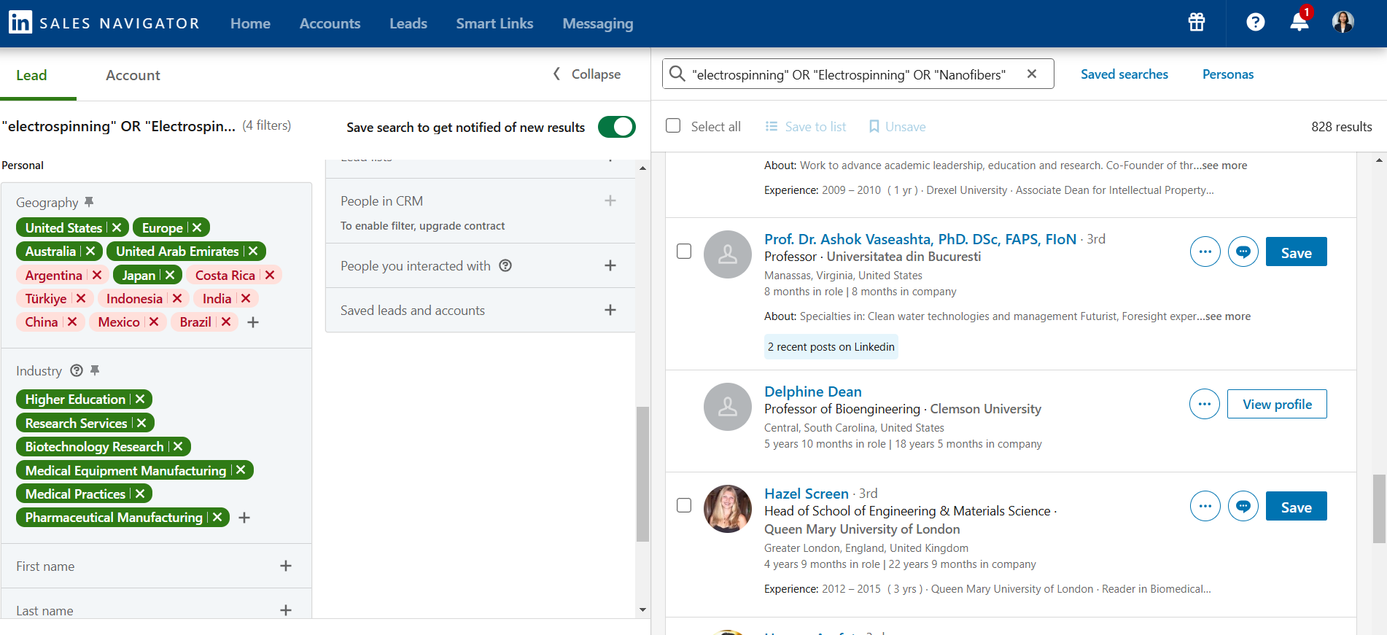
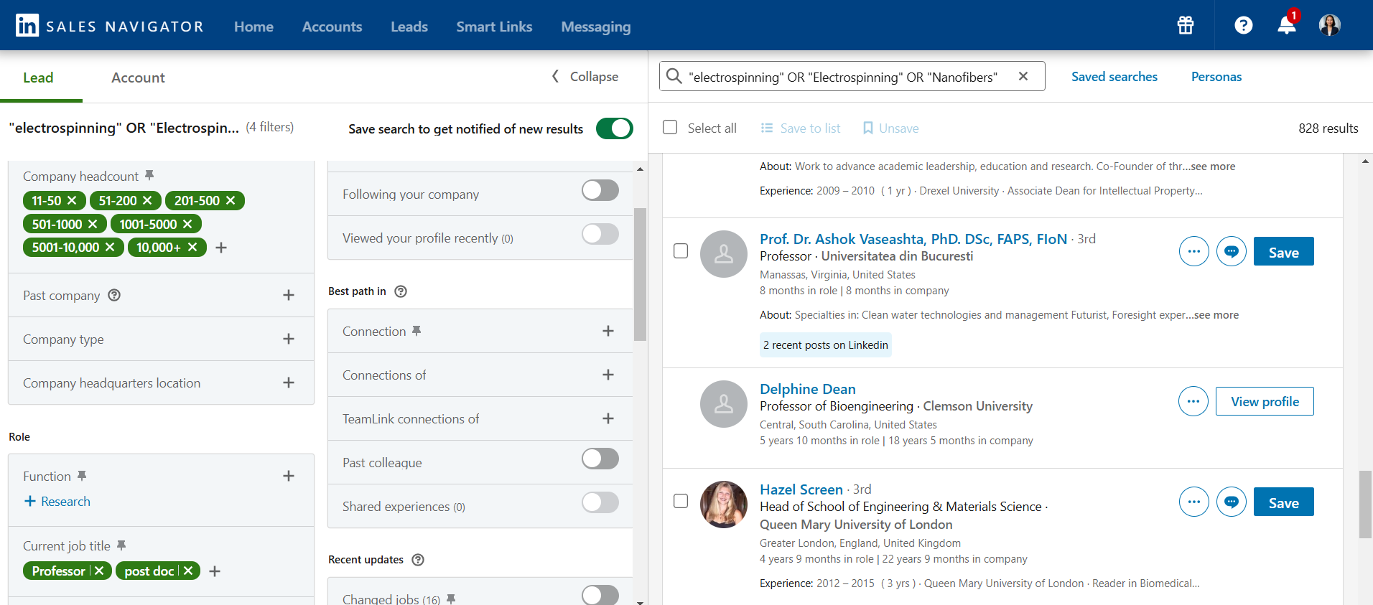

Keywords | Electrospinning | 1. First Search we get only professor and post doc | Done
Electro Spinning | Nanofibers | 2.Secound Search i added all the job titles and these 3 keywords | Ongoing
Nanofibers | Tissue engineering / tissue engineered scaffolds | 3.For the final batch we can get data for other two keywords and for the all job titles
Tissue engineering | Biomaterials
 | In vitro tissue models

 | https://www.linkedin.com/sales/search/people#query=(spellCorrectionEnabled%3Atrue%2CrecentSearchParam%3A(id%3A4823785564%2CdoLogHistory%3Atrue)%2Cfilters%3AList((type%3ACOMPANY_HEADCOUNT%2Cvalues%3AList((id%3AC%2Ctext%3A11-50%2CselectionType%3AINCLUDED)%2C(id%3AD%2Ctext%3A51-200%2CselectionType%3AINCLUDED)%2C(id%3AE%2Ctext%3A201-500%2CselectionType%3AINCLUDED)%2C(id%3AF%2Ctext%3A501-1000%2CselectionType%3AINCLUDED)%2C(id%3AG%2Ctext%3A1001-5000%2CselectionType%3AINCLUDED)%2C(id%3AH%2Ctext%3A5001-10%252C000%2CselectionType%3AINCLUDED)%2C(id%3AI%2Ctext%3A10%252C000%252B%2CselectionType%3AINCLUDED)))%2C(type%3AREGION%2Cvalues%3AList((id%3A100506914%2Ctext%3AEurope%2CselectionType%3AINCLUDED)%2C(id%3A103644278%2Ctext%3AUnited%2520States%2CselectionType%3AINCLUDED)%2C(id%3A104305776%2Ctext%3AUnited%2520Arab%2520Emirates%2CselectionType%3AINCLUDED)%2C(id%3A101355337%2Ctext%3AJapan%2CselectionType%3AINCLUDED)%2C(id%3A101452733%2Ctext%3AAustralia%2CselectionType%3AINCLUDED)%2C(id%3A100446943%2Ctext%3AArgentina%2CselectionType%3AEXCLUDED)%2C(id%3A106057199%2Ctext%3ABrazil%2CselectionType%3AEXCLUDED)%2C(id%3A102890883%2Ctext%3AChina%2CselectionType%3AEXCLUDED)%2C(id%3A101739942%2Ctext%3ACosta%2520Rica%2CselectionType%3AEXCLUDED)%2C(id%3A102713980%2Ctext%3AIndia%2CselectionType%3AEXCLUDED)%2C(id%3A102478259%2Ctext%3AIndonesia%2CselectionType%3AEXCLUDED)%2C(id%3A103323778%2Ctext%3AMexico%2CselectionType%3AEXCLUDED)%2C(id%3A102105699%2Ctext%3AT%25C3%25BCrkiye%2CselectionType%3AEXCLUDED)))%2C(type%3ACURRENT_TITLE%2Cvalues%3AList((id%3A1530%2Ctext%3ADepartment%2520Chair%2CselectionType%3AINCLUDED)%2C(id%3A230%2Ctext%3AHead%2520of%2520Department%2CselectionType%3AINCLUDED)%2C(id%3A51%2Ctext%3AResearcher%2CselectionType%3AINCLUDED)%2C(id%3A10%2Ctext%3AEngineer%2CselectionType%3AINCLUDED)%2C(id%3A197%2Ctext%3AScientist%2CselectionType%3AINCLUDED)%2C(id%3A517%2Ctext%3ATechnologist%2CselectionType%3AINCLUDED)%2C(id%3A62%2Ctext%3ATechnician%2CselectionType%3AINCLUDED)%2C(id%3A56%2Ctext%3

